Dashboard
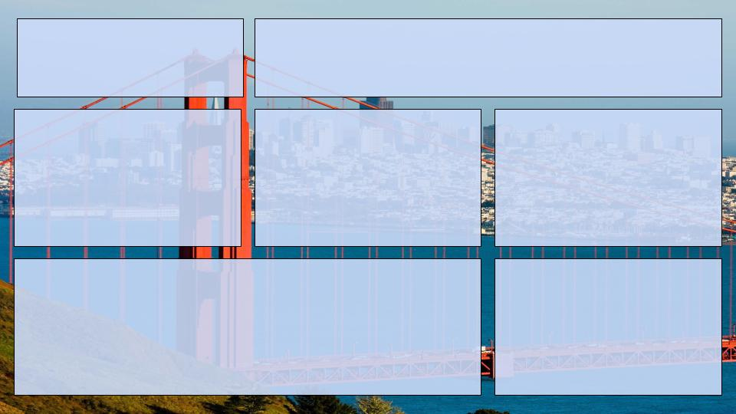

Affortable Housing Pipeline
Data reflects June 30th, 2023
Total Project Units
Affortable Units
% of Affortable Units
27367
10136
37.04%

Stage of Construction %
Supporting Program %
Average Median Income
 | Total
Building Rehabilitation (Construction) | 1.67%
Building Rehabilitation (Pre-Construction) | 2.86%
Construction | 23.54%
Pre-Construction | 71.93%
 | Total
Inclusionary Housing | 68.67%
MOHCD 100% Affordable | 26.22%
MOHCD Preservation | 1.17%
Other Ownership Programs | 3.85%
Temporary/Service Housing | 0.08%
20% | 171
30% | 722
40% | 192
50% | 2819
55% | 552
60% | 1870
80% | 1125
90% | 236
100% | 215
105% | 54
110% | 168
120% | 48
130% | 113
150% | 36
undeclared | 1783

Property Types
Affortable Units by Zipcode

Data Source: data.sfgov.org

Pivot 2 Pie Charts
Row Labels | Sum of total_project_units
Building Rehabilitation (Construction) | 1.67%
Building Rehabilitation (Pre-Construction) | 2.86%
Construction | 23.54%
Pre-Construction | 71.93%
Grand Total | 100.00%

Row Labels | Sum of total_project_units
Ownership | 14.73%
Rental | 85.27%
Grand Total | 100.00%

Row Labels | Sum of total_project_units
Inclusionary Housing | 68.67%
MOHCD 100% Affordable | 26.22%
MOHCD Preservation | 1.17%
Other Ownership Programs | 3.85%
Temporary/Service Housing | 0.08%
Grand Total | 100.00%

Pivot 4 AMI
Sum of 20%_ami | Sum of 30%_ami | Sum of 40%_ami | Sum of 50%_ami | Sum of 55%_ami | Sum of 60%_ami | Sum of 80%_ami | Sum of 90%_ami | Sum of 100%_ami | Sum of 105%_ami | Sum of 110%_ami | Sum of 120%_ami | Sum of 130%_ami | Sum of 150%_ami | Sum of ami_undeclared
171 | 722 | 192 | 2819 | 552 | 1870 | 1125 | 236 | 215 | 54 | 168 | 48 | 113 | 36 | 1783
20% | 30% | 40% | 50% | 55% | 60% | 80% | 90% | 100% | 105% | 110% | 120% | 130% | 150% | undeclared
171 | 722 | 192 | 2819 | 552 | 1870 | 1125 | 236 | 215 | 54 | 168 | 48 | 113 | 36 | 1783

Row Labels | Sum of mohcd_affordable_units |  | Zipcode | Affordable Units
94102 | 1187 |  | 94102 | 1187
Downtown/Civic Center | 984 |  | 94103 | 1256
Western Addition | 203 |  | 94105 | 994
94103 | 1256 |  | 94107 | 648
Mission | 505 |  | 94108 | 8
South of Market | 751 |  | 94109 | 481
94105 | 994 |  | 94110 | 890
Financial District | 239 |  | 94112 | 328
South of Market | 755 |  | 94114 | 28
94107 | 648 |  | 94115 | 13
Potrero Hill | 355 |  | 94116 | 171
South of Market | 293 |  | 94117 | 302
94108 | 8 |  | 94118 | 138
Chinatown | 5 |  | 94122 | 301
Nob Hill | 3 |  | 94123 | 15
94109 | 481 |  | 94124 | 1527
Downtown/Civic Center | 271 |  | 94130 | 238
Marina | 18 |  | 94131 | 221
Nob Hill | 84 |  | 94134 | 432
Western Addition | 108 |  | 94158 | 480
94110 | 890
Bernal Heights | 179
Mission | 711
94112 | 328 |  | 94132 | 287
Crocker Amazon | 6 |  | 94133 | 191
Excelsior | 12
Outer Mission | 26
West of Twin Peaks | 284
94114 | 28
Castro/Upper Market | 24
Noe Valley | 4
94115 | 13
Pacific Heights | 3
Western Addition | 10
94116 | 171
West of Twin Peaks | 171
94117 | 302
Haight Ashbury | 159
Western Addition | 143
94118 | 138
Inner Richmond | 103
Presidio Heights | 35
94122 | 301
Outer Sunset | 301
94123 | 15
Bayview | 6
Marina | 9
94124 | 1527
Bayview | 1527
94130 | 238
Treasure Island/YBI | 238
94131 | 221
Twin Peaks | 221
94132 | 287
Lakeshore | 287
94133 | 191
Chinatown | 174
Financial District | 5
North Beach | 12
94134 | 432
Bayview | 72
Excelsior | 10
Visitacion Valley | 350
94158 | 480
South of Market | 480
Grand Total | 10136

